Process
1 | Go to Data tab, select 'from other sources', select 'from xml data import', select xml file and import data

2 | Select Column D 'attractiveness' and go to Home tab and select Conditional Formatting, Highlight Cell Rules, Less than 6 with red fill and font size 8, italic

3 | Sort by attractiveness in ascending order, highlight where attractiveness < 6 and go to data tab and group
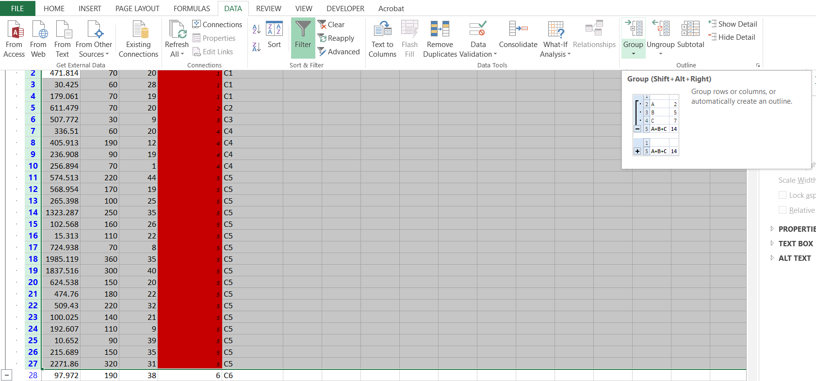

4 | Create new column, insert formula ="C"&ColumnD, paste as value, change to text

